1. Application Form
SMU exchange application category |  |  | Scroll Down ↓

The following items represent the categories and options that appear during the online application process for exchange students at Sookmyung Women's University. Sample values have been provided as examples, so please review them carefully before completing the online application. Additionally, please ensure that your passport name, passport number, and financial proof are accurately entered, as these details are critical for the smooth issuance of visa-related documents. Please make sure to review these instructions in conjunction with the PDF guidelines.
Application Form | Application Form options | SAMPLE | Notes
Program Details
Program Type | Visiting (Fee-paying) | Exchange (Tuition Waiver)
 | Exchange (Tuition Waiver)
Duration of Visit to SMU | One semester | One semester
 | Two Semesters
Personal Details
Family name |  | KIM | All applicants must ensure that their name is entered exactly as it appears in the passport MRZ (Machine-Readable Zone). Any discrepancy with immigration records may cause serious issues at a later stage. Please write in English alphabet, no special letters are allowed. Please type your family name and given name first and press “ENTER” key. (O) SNOW WHITE KIM (X) USA<<SNOW<<WHITE<<KIM
Given name |  | SNOW WHITE | All applicants must ensure that their name is entered exactly as it appears in the passport MRZ (Machine-Readable Zone). Any discrepancy with immigration records may cause serious issues at a later stage.
Full name (Automaticllay filled out) |  | KIM, SNOW WHITE | First, fill out the "Family name" and "Given name" boxes and press ENTER. It will be automatically filled out
Applying number |  | E20232104001 | Applying Number will be used for your academic info and International house application
Gender | Male | Female
 | Female
Passport Number |  | MHK012123 | Make sure to check if it is alphabet or number, check bottom of the passport. Any incorrect information may cause delays in the revision of required documents for visa application. (ex. Number 1 or Alphabet I )
Country of Issue |  | South Korea
What visa are you applying for? | Student Visa | Student Visa
 | Other
Financial Supporter | Myself, Father, Mother | Father | If the financial sponsor is your father or mother, you must submit either a 1) Family Relationship Certificate or 2) Birth Certificate, issued in English or officially translated into English. Please ensure that this document is highlighted(ex. parent's name, my name, the relationship : daugther etc) and uploaded accordingly. Additionally, the bank balance certificate must exactly match the name of your father or mother as stated on the document. Scholarship: Choose "myself" and refer to the guideline for the documents you need to upload
Financial document USD Equivalency | USD | 5000 USD | 1 sem: 5,000 USD 2 sems : 10,000 USD | You may enlarge the sample below
Passport Date of Expiry |  | 2027.09.21 | Make sure to check the expiry date, NOT the issue date ex) YYYY.MM.DD
Non-OECD |  |  | ex) Check only if you are non-OECD nationality. For more details, refer to the PDF guidelines
Passport official name |  | SNOW WHITE KIM | ex) Passport MRZ name, the official passport name on the bottom Check the application guideline first We will be submitting the same name for your <Certificate of Admission> so please make sure you submit the CORRECT NAME (O) SNOW WHITE KIM (X) USA<<SNOW<<WHITE<<KIM | 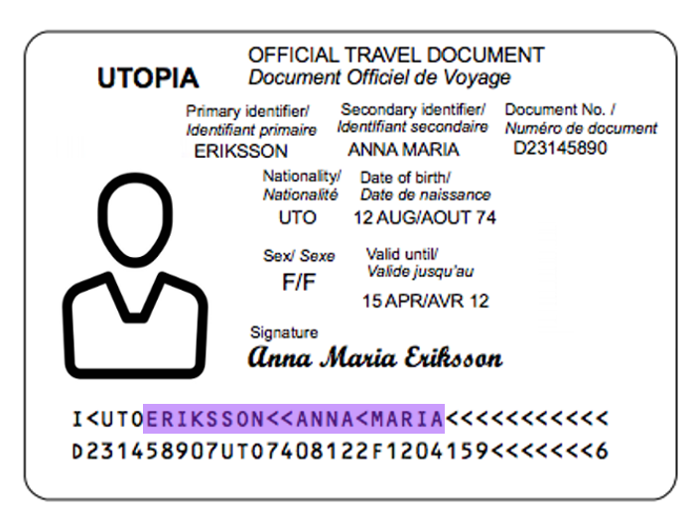
X-ray result submission |  | NO | Check “Yes” only if you have the result included in the medical check up form
Academic Background
Country |  | France
Name of Home University |  | ABC University
Degree program | Undergraduate | Undergraduate
 | Graduate
Intended Major at SMU |  | Department of Social Psychology | This is the intented major you plan to study in SMU. It could be… 1. Your major or minor at home university 2. New major you plan to study at Sookmyung * The chosen major will give you priority during course registration and appear on the transcript, at the end of the semester. If you are Korean studies major, planning to take the intensive coures, we recommened to choose "Div. of Korean Lang. and Lit."
GPA in 100% mark |  | 79 | You may change the GPA to % yourself and type in. ex) 3.0/4.0 >> 75%
Contact Details
Number and street |  | Chengpa-ro 47-gil 100
Town/City |  | Yong-san Gu
State |  | Seoul
Postcode/Zip |  | 43012
Email |  | inbound.exchange@university.com | Please do NOT use @qq.com, @gmx.de e-mail accounts, due to the delivery failure problems. We highly recommend @gmail.com account. The acceptance and transcript documents will be sent to your home univ email, so please double check the email
Telephone |  | 82 987654321
Mobile |  | 82 987654321
Fax |  | You may type in 12345678
Home Univ Email |  | inbound.exchange@university.com | Ex) Office of Int’l Affairs, Program coordinator
Permanent Address In Home Country(if different from above)
Same of above |  | Same of above (type in additional info if needed) | check
Number and street | Chengpa-ro 47-gil 100,
Town/City | Yong-san Gu
State | Seoul
Postcode/zip | 43012
Country | Korea
Telephone | 82 987654321
Language Proficiency
Korean is my first language | Yes-Korean is my first language | V | *If Korean is not your first language please fill in the following.
 | No-my first language is :
Korean Language proficiency | Excellent
 | good | V
 | poor
Do You have English Test Score? | Yes | No | There is no need to upload supporting documents related to language proficiency scores separately.
 | No
Please type your English Proficiency score | Topik : |  | Only if you have TOPIK valid for the next 3 months
Inquiry for Housing | Office of International Affairs, SMU needs to know your housing preferences for housing capacity and room arrangement every semester. Please check your definitive answer on the box! ** Housing Infomation: http://dorm.sookmyung.ac.kr/international/facilities.php
Will you reserve International Guest Houses (on-campus housing) for your accommodation? | Yes, I will reserve and stay at on-campus housing. |  | * The regular semester exchange students need to apply the international guest house through only online housing application later at the designated date on the website above. * Please note that placing a “V” check in the relevant box constitutes only a preliminary survey of interest. Final application will only be completed once you submit your apply through the Office of International Affairs website at a later stage. Updated info will be given on Int'l House website (inthousse@sm.ac.kr) https://dorm.sookmyung.ac.kr/gboard/bbs/board.php?bo_table=international
 | No, I will find and reserve my accommodation by myself | V
Uploading application file -
1. A recent copy of a 1) certificate of enrollment AND 2) academic transcript in 1 combined pdf file |  | Upload
2. A copy of passport |  | Upload
3. A copy of photo(passport size) |  | Upload (color, jpg file only)
4. Recent original bank statement(Amount of $5,000/semester) |  | Upload (Sections highlighted) | Sections to highlight ■ Bank balance 1. Name (Yours or sponsor) 2. Total Amount 3. Currency 4. Issue date 5. Optional: The family relationship status (Mother's name, Mother, your name, daughter etc) ■ Scholarship certificate 1. Name (Yours or sponsor ) 2. Total Amount 3. Currency 4. Duration : 2029/30(x), 2029 Spring(need review), 2029 Sept 1(o)
5. Health Insurance Certificate |  | Upload (Sections highlighted) | Sections to highlight 1. Name 2. Coverage duration 3 Coverage country : Worldwide, South Korea etc 4. Coverage Section
6. Medical Check up |  | Upload | Refer to the form of total 2 pages *An MMR antibody test result may be submitted as official proof. *Completion of two doses of MMR vaccination is mandatory.
*Only regular semester exchange students are required to submit.
* If you have not taken X-ray yet, please make sure to mark “No” for “X-ray submission” section above
* Make sure all official documents are legally translated in English with sign or stamp
* If the file contains a dot(.) it will cause error and be rejected
* Please note that once rejected, it take awhile for second round review, so please double check the documents
If you are NON-OECD nationality, make sure to upload the section (1) in apostilled or certified by Korean consular copy
X-ray is mandatory.
If you are planning to take it in Korea,
: please write a note on the 2nd pg of medical check-up that you'll be taking it in Korea within 7 days of arrival.
If you plan to take it from home country,
: it is required to submit issued with 90 days of your arrival, so we recommend it to be done, as below
Spring semester : After Jan 1st // Fall semester : After July 1st

Self-Check list
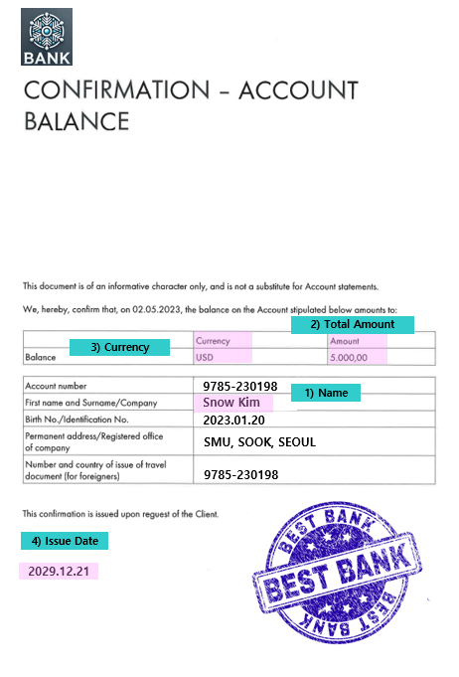
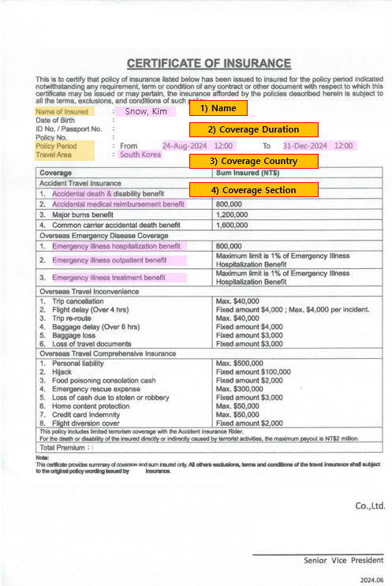
 Documents Self-Checklist
 |  |  |  |  | You may enlarge the sample below
No | Check | Documents list | Highlight it on the PDF | Notes
Bank balance Certificate
1 |  | A. The document is issued in English
 |  | B. If the documents were not issued in English, they have been notarized and translated.
2 |  | It has been stamped or signed from the bank |  | We do NOT issue the certificate of admission without the stamp or signed finacial proof.
3 |  | It is min. 6,500,000 KRW per semester (Approx 5000 USD) | Highlight it on PDF | Approx. 5,000 USD for 1 semester 10,000 USD for 2 semesters
4 |  | The currency is written | Highlight it on PDF | USD, KRW, Euros etc
Bank balance Certificate Holder
5-1 |  | It is under my name and the spelling, Birthdate etc are correct | Highlight it on PDF
5-2 |  | A. It is under my father or mother's name | Highlight it on PDF
 |  | B. I have attached the 1) family relationship certificate or 2) Birth certificate | Highlight it on PDF
 |  | C. If the relationaship certificates were not issued in English, they have been notarized and translated.
NON-OECD nationalities
6 |  | A. Certificate of Enrollment
 |  | B. Bank balance
7 |  | I will submit it to my home university the original hard copies, so the documents can be sent to Sookmyung via post
Passport
8 |  | I have checked my MRZ passport name correctly
9 |  | I have checked my passport number correctly
Health Insurance
10 |  | It covers in South Korea |  |  | Section 8 and 9
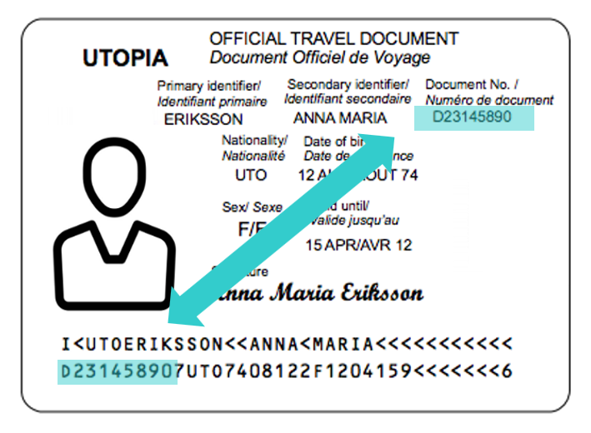
11 |  | It meets the min. requirement from SMU
12 |  | It is covering from my arrival ~ depature period in Korea
Chest X-ray
13 |  | A. I have taken the x-ray
 |  | B. I will take x-ray within 7 days of arriving in Korea |  | Feb 23(Mon) ~ Mar 8(Sun), 2026 Upload link will be noticed later
 |  | * If the documents were not issued in English, I will have it translated myself and confirm that it is true
MMR
14 |  | A. I have taken the MMR |  | Note that usually it is vaccinated before the age of 6, so please check your preivous record rather than taking it.
 |  | B. I will take x-ray within 7 days of arriving in Korea |  | Feb 23(Mon) ~ Mar 8(Sun), 2026 Upload link will be noticed later
 |  | * If the documents were not issued in English, I will have it translated myself and confirm that it is true

